Sheet1
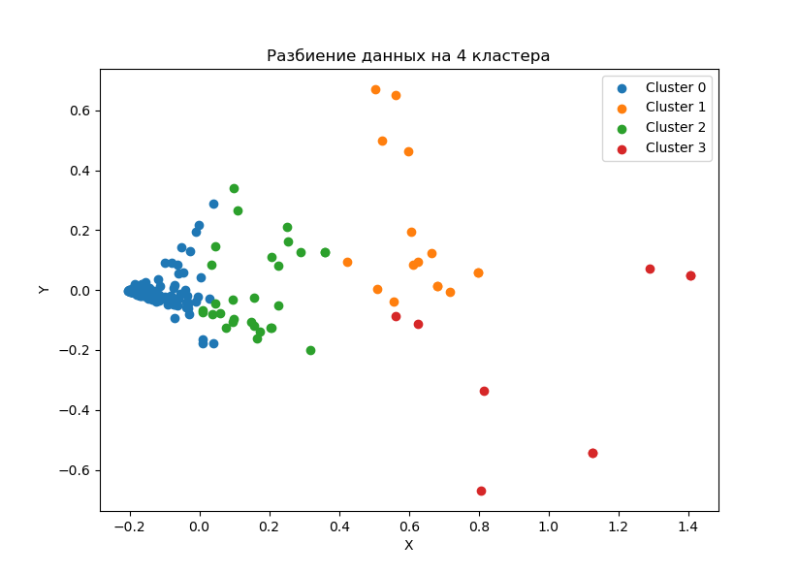
clust | factoriescap_s | ITcosts_s | skvozcosts_s | trainingcosts_s
0 | 421321.20 | 2066.97 | 16.00 | 6.68
0 | 1676337.10 | 6294.47 | 42.50 | 16.18
1 | 3333974.53 | 45298.07 | 659.81 | 87.21
1 | 12043105.26 | 44281.24 | 594.88 | 53.16
2 | 1932754.77 | 21485.80 | 184.50 | 22.87
2 | 8949999.33 | 27807.54 | 158.58 | 21.83
3 | 2317569.21 | 41213.27 | 361.17 | 594.72
3 | 4635680.03 | 64392.53 | 794.89 | 817.28

clust | factoriescap_s | ITcosts_s | skvozcosts_s | trainingcosts_s
0 |  | 0.4906% | 0.7739% | 0.3230%
0 |  | 0.3755% | 0.6753% | 0.2571%
1 |  | 1.3587% | 1.4566% | 0.1925%
1 |  | 0.3677% | 1.3434% | 0.1201%
2 |  | 1.1117% | 0.8587% | 0.1064%
2 |  | 0.3107% | 0.5703% | 0.0785%
3 |  | 1.7783% | 0.8764% | 1.4430%
3 |  | 1.3891% | 1.2344% | 1.2692%

clust | factoriescap_s | ITcosts_s | skvozcosts_s | trainingcosts_s
0
0 | 3.98 | 0.77 | 0.87 | 0.80
1
1 | 3.61 | 0.27 | 0.92 | 0.62
2
2 | 4.63 | 0.28 | 0.66 | 0.74
3
3 | 2.00 | 0.78 | 1.41 | 0.88

Медианы кластеров
clust | factoriescap_s | ITcosts_s | skvozcosts_s | trainingcosts_s
0 | 776820.7222 | 2819.9111866 | 5.00024735 | 3.82094907
1 | 4750155.553 | 49794.642192 | 553.93648592 | 55.79920292
2 | 3580372.4544 | 24111.5652 | 74.50093602 | 17.19650164
3 | 3368911.3794 | 57596.712407 | 523.84824 | 759.0416904

